Management of Change Checklist
Conduct a mobile audit with Safesite. | 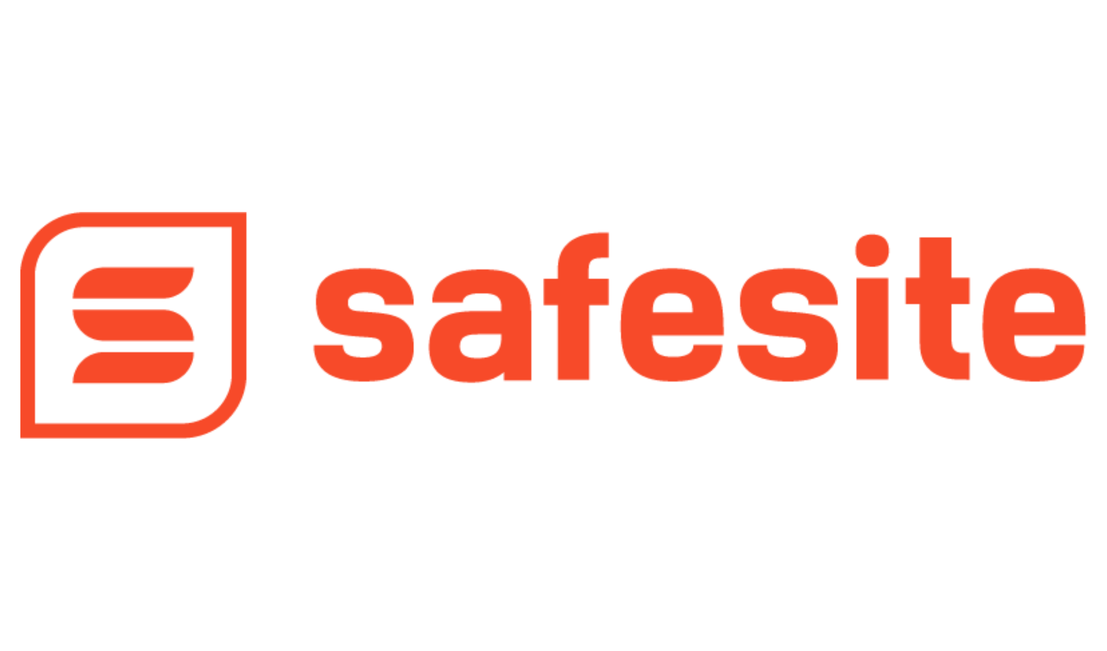
iOS | Google Play | Desktop Browser
Language | English
Author | Safesite
Industry | General Industry
Description | The purpose of Management of Change (MOC) is to ensure that changes are recognized, documented, formally reviewed, and approved by qualified personnel prior to their implementation in order to avoid potential safety or operational problems and to comply with federal and state regulations. Edit this template to include the various steps, reviews, and approvals required to implement MOC and your company.
Jurisdiction | 03/01/2020
Publish Date | Management of Change (MOC) Checklist
Name | Recognize All Changes
Question |  | Text
 | Who is requesting the change?
 | Write a summary of the requested change:
 | List the affected equipment/machinery:
 | List the affected jobs/roles:
 | List the affected procedures, tests, and/or inspections:
 | List the affected reactive chemicals/materials, if applicable:
 | What Areas Will Be Improved by the Change? | Yes | No | N/A | Comments
 | Safety & Health
 | Environment
 | Loss Prevention
 | Operations
 | Human Resources
 | What is the Proposed Length of Change? | Yes | No | N/A | Comments
 | Emergency (Initiate and Finalize as soon as possible)
 | Permanent
 | Temporary (Include length of time in comments)
 | What Type of Change is Proposed? | Yes | No | N/A | Comments
 | Facility Additions or Modifications (Include details in comments)
 | Equipment Change or Modification (Include details in comments)
 | Work Practices or Best Practices (Include details in comments)
 | IT/Computers/Systems (Include details in comments)
 | Subcontractor (Include details in comments)
 | Role/Responsibility (Include details in comments)
 | Procedure/Process/Method/Operation (Include details in comments)
 | Chemical/Contaminant/Product (Include details in comments)
 | Personnel Addition or Removal (Include details in comments)
 | Policy or Standard (Include details in comments)
 | Documentation or Records (Include details in comments)
 | Individual’s Role or Job Description (Include details in comments)
 | Other (Describe in Comments)
 | What Hazards are Involved in this Change? | Yes | No | N/A | Comments
 | Biological
 | Chemical/Contaminant/Product
 | Stored Energy/Electrical/Gas
 | Preparation/Training/Skills
 | Access/Egress
 | Emergency Planning
 | Ergonomic
 | Physical/Cuts/Burns/etc.
 | Confined Space
 | Psychological
 | Has a complete change risk assessment been performed?
 | MOC Initiation | Yes | No | N/A | Comments
 | Do you have a MOC Leader/Coordinator ready to run point on this change?
 | Do you have knowledgeable change reviewers ready to review the proposed changes?
 | Do you have a change finalizer, if different from MOC Coordinator?
 | Does the description of the proposed change and all affected systems provide enough information?
 | Have you identified all affected roles and personnel?
 | Have you identified all affected contractors and temporary personnel?
 | Has a change request been submitted?
 | Has a change request been reviewed?
 | Has a change request been approved?
 | Have process engineering, technician, or manager personnel been consulted, if needed?
 | Has an equipment specifications and Maintenance/Parts technician consulted, if needed?
 | Will you be able to comply with all Federal, State, and Local safety and engineering standards during this change?
 | Have all potential hazards and gaps been reviewed and discussed?
 | Change Final Approval Process | Yes | No | N/A | Comments
 | List all the reviewers who have reviewed the change: | Text
 | List all concerns brought up by reviewers: | Text
 | Have concerns been addressed? How? | Text
 | Has the change been approved?
 | Has the change been initiated?
 | Date of Initiation | Text
 | Pre-Startup Safety Review | Yes | No | N/A | Comments
 | Pre-startup Safety Review (PSSR) conducted?
 | Did the PSSR expose any new, existing, or potentially existing hazards?
 | Have all known new, existing, or potentially existing hazards have been evaluated and mitigated?
 | Training Program completed or updated?
 | Training methods provided: one-on-oneor independent review
 | Training methods provided: group, presentation or classroom setting
 | Training methods provided: group, hands-on learning
 | New job/role procedures written and approved?
 | New tests/inspections written and approved?
 | Have all affected personnel been notified and trained on the change?
 | Have all affected contractors been notified and trained on the change?
 | Have all Work Plans, HASPs, Procedures, Policies, MOC history page, and Documentation been updated?
 | Have you updated your emergency plan, if applicable?
 | Has the change review team reviewed the PSSR?
 | Has startup been approved?
 | Startup Evaluation | Yes | No | N/A | Comments
 | Have new safety audits been conducted?
 | Have gaps in safety procedures or audits been identified and addressed?
 | Have all affected personnel been asked to provide feedback after the change?
 | Have all gaps in training been addressed?
 | Have all gaps in emergency and/or special procedures been resolved?
 | Change Finalization | Yes | No | N/A | Comments
 | Has the change been fully implemented?
 | Has MOC been fully documented?
 | Has the change been reviewed for effectivness?
 | Was this change effective?
 | Is the change accomplishing its original intent?
 | Temporary Change Resolution | Yes | No | N/A | Comments
 | Has the temporary change been returned to its normal status?
 | Has the temporary change been made permanent?

